Overview
 | Style No. | CLO-SET_Default.zprj |  | Brand | BRAND
 | Workroom | Workroom |  | Company | D CLO's Company
 | Season | SEASON |  | Status | Draft
 | Line | LINE |  | Description

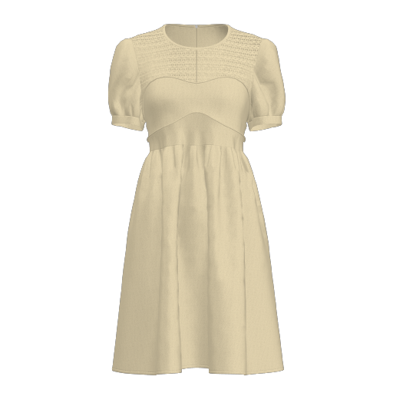 | 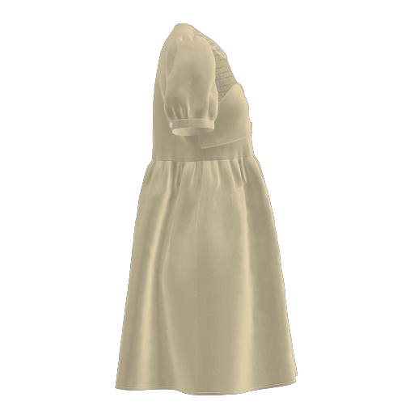 |  | 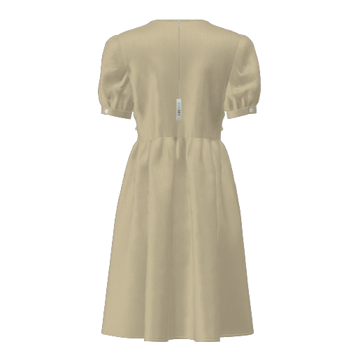 |  | 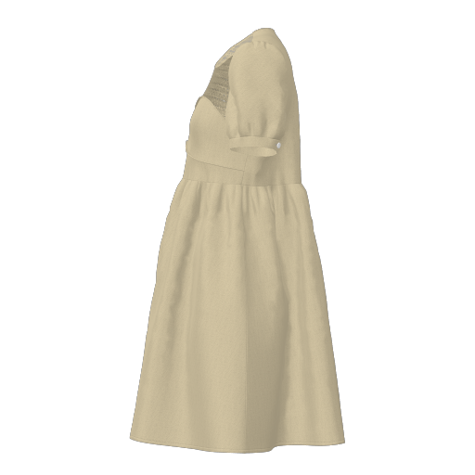

Comments |  |  |  |  | Created | April 22, 2024, 12:42 am

Cutter's Must
 |  |  | Style No. | CLO-SET_Default.zprj | Brand | BRAND
 |  |  | Workroom | Workroom | Company | D CLO's Company
 |  |  | Season | SEASON | Status | Draft
 |  |  | Line | LINE | Description

 | 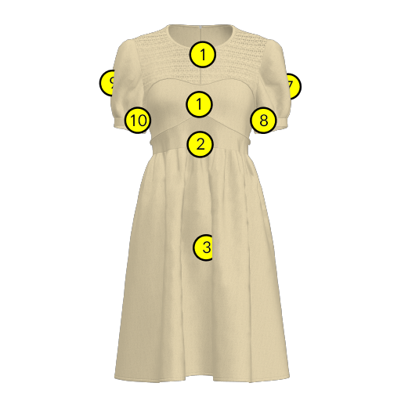 |  | 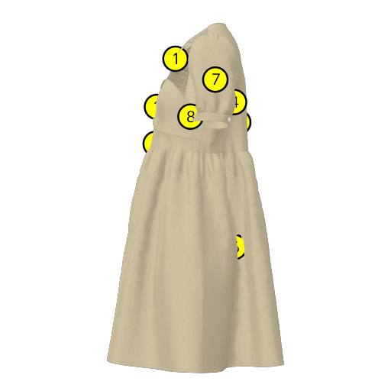
 | 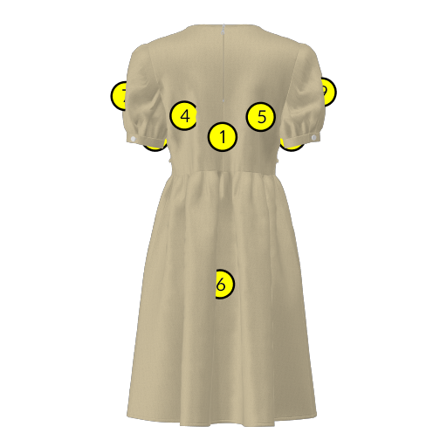 |  | 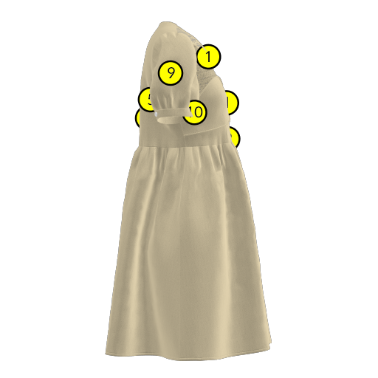

FabricName : CLO-SET_Dress_1
No. |  | Name | Image |  | Type | Notes
1.0 |  | FRONT_2-a |  |  |  | CLODRESS FRONT 2 /////////// PIPING ///////////

2.0 |  | FRONT_3-a |  |  |  | CLODRESS FRONT 3 ///////////

3.0 |  | FRONT_SK-b | 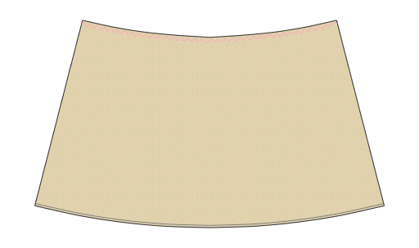 |  |  | CLODRESS FRONT SK /////////// SHIRRING /////////// FRONT /////////// 1/4" BINDING ///////////

4.0 |  | BACK-d |  |  |  | CLODRESS BACK-a /////////// ZIP WIDTH 0.7CM ZIP LENGTH S-15.5CM M-17.5CM L-19.5CM /////////// MAIN LABEL TWO SIDE SEWING /////////// 1/4" BINDING ///////////

5.0 |  | BACK-f |  |  |  | CLODRESS BACK-b /////////// MAIN LABEL TWO SIDE SEWING /////////// 1/4" BINDING ///////////

6.0 |  | BACK_SK-b | 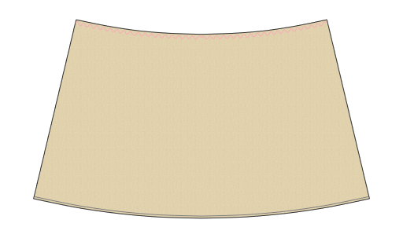 |  |  | CLODRESS BACK SK /////////// SHIRRING /////////// BACK /////////// 1/4" BINDING ///////////

7.0 |  | 5-d_2 |  |  |  | CLODRESSFRONT /////////// SHIRRING /////////// SHIRRING /////////// SLIT /////////// EASE 2CM /////////// EASE 2CM ///////////

8.0 |  | CUFFS-b_3 |  |  |  | CUFFS

9.0 |  | 5-d_3 |  |  |  | CLODRESSFRONT /////////// SHIRRING /////////// SHIRRING /////////// SLIT /////////// EASE 2CM /////////// EASE 2CM ///////////

10.0 |  | CUFFS-b_4 |  |  |  | CUFFS

FabricName : CLO-SET_Dress_2
No. |  | Name | Image |  | Type | Notes
11.0 |  | FRONT_1-b | 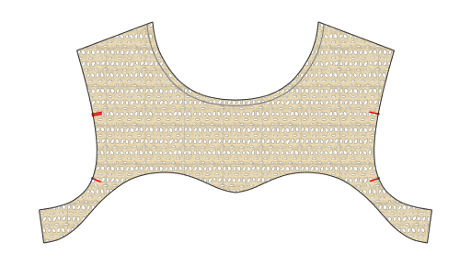 |  |  | CLODRESS FRONT 1 /////////// PIPING /////////// 1/4" BINDING ///////////

FabricName : Label
No. |  | Name | Image |  | Type | Notes
12.0 |  | LABEL-b |  |  |  | CLODRESS MAIN LABEL ///////////

Trims |  |  | Description |  | Size | Qty

Seam Allowance |  |  | All Body Seams
 |  |  | Hem Height

